Worksheet
STYLE | DESCRIPTION | COLOR | MSRP | UPC | Instock Qty (Available Now) | PICTURE
HANDBAGS

DYNAMIC DUO- REFLECTIVE TAPE
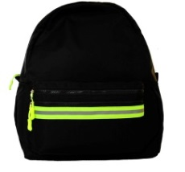
CN1264/79 | BACKPACK/BELT BAG 2 IN 1 | BLACK/GREEN | $119.00 | 077979-624759 | 464

GALAXY
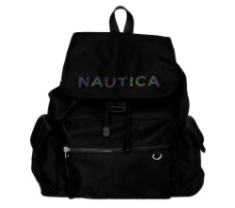
CN1322/23 | GALAXY BACKPACK | INDIGO | $109.00 | 077979-640421 | 2,533

HARBOR BABY
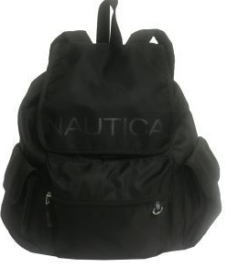
CN1106/08 | HARBOR BAY BACKPACK | BLACK | $109.00 | 077979-594014 | 6,302
CN1106/23 | HARBOR BAY BACKPACK | INDIGO | $109.00 | 077979-594038 | 1,460

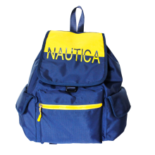
SPLIT DECISION

CN1238/79 | FLAP BACKPACK | BLACK/WHITE-79 | $109.00 | 077979-613135 | 5,235
CN1238/23 | FLAP BACKPACK | INDIGO/CORNBREAD-23 | $109.00 | 077979-613142 | 2,896

VARSITY
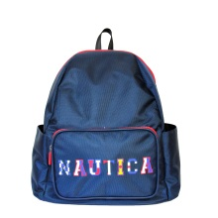
CN1234/08 | DOME BACKPACK | BLACK-08 | $99.00 | 077979-485268 | 1,977
CN1234/23 | DOME BACKPACK | INDIGO-23 | $99.00 | 077979-485299 | 2,320

MINIS
BEAN BAG-NYLON

CN1310/08 | BELT BAG | BLACK-08 | $45.00 | 077979-640353 | 779
CN1310/23 | BELT BAG | INDIGO-23 | $45.00 | 077979-640360 | 1,520

DESI-LIGHT BALLISTIC
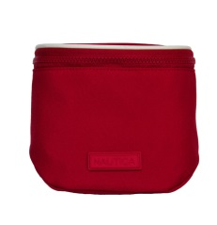
CN1326/08 | CANTEEN BELT BAG | BLACK-08 | $45.00 | 077979-640377 | 892
CN1326/10 | CANTEEN BELT BAG | RED-10 | $45.00 | 077979-640384 | 1,287

LAKESIDE-JACQUARD
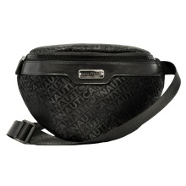
CN1254/08 | BELT BAG | BLACK-08 | $45.00 | 077979-485190 | 67
CN1254/23 | BELT BAG | INDIGO-23 | $45.00 | 077979-485206 | 343
CN1254/81 | BELT BAG | KHAKI-81 | $45.00 | 077979-625749 | 462

KEY LARGO 2-EMBOSSED LOGO
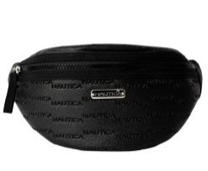
CN1305/08 | BELT BAG | BLACK-08 | $45.00 | 077979-625794 | 2,509
CN1305/23 | BELT BAG | INDIGO-23 | $45.00 | 077979-625800 | 2,630

PISCES 3-NYLON
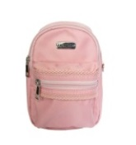
CN1245/08 | MINI CONVERTIBLE BACKPACK | BLACK-08 | $45.00 | 077979-485169 | 502
CN1245/23 | MINI CONVERTIBLE BACKPACK | INDIGO-23 | $45.00 | 077979-643798 | 618

PHANTOM-SWEATSHIRT
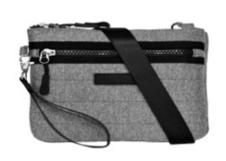
CN1331/30 | MINI XBODY | GREY-30 | $45.00 | 077979-640261 | 1,888

PHANTOM-SWEATSHIRT

CN1329/30 | CANTEEN BELT BAG | GREY-30 | $45.00 | 077979-640391 | 820

VARSITY-NYLON
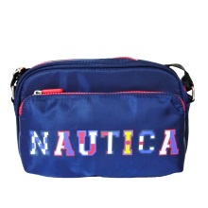
CN1237/23 | MINI XBODY/BELT BAG | INDIGO-23 | $45.00 | 077979-485152 | 1,109

 |  |  |  |  | 38,613

